Test Cases - Funtional
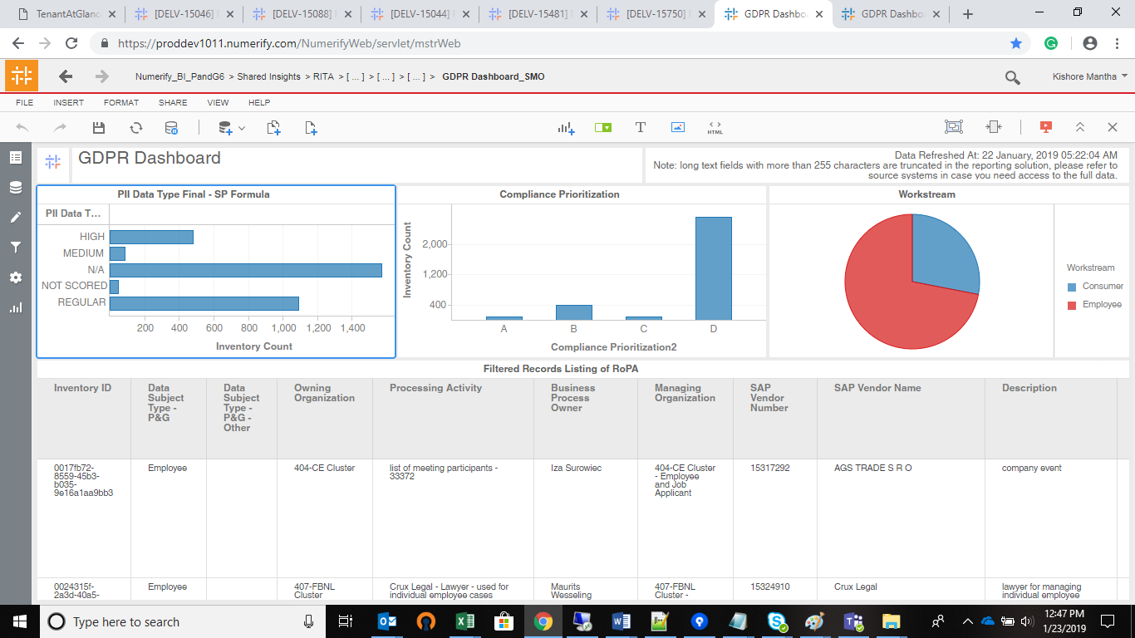
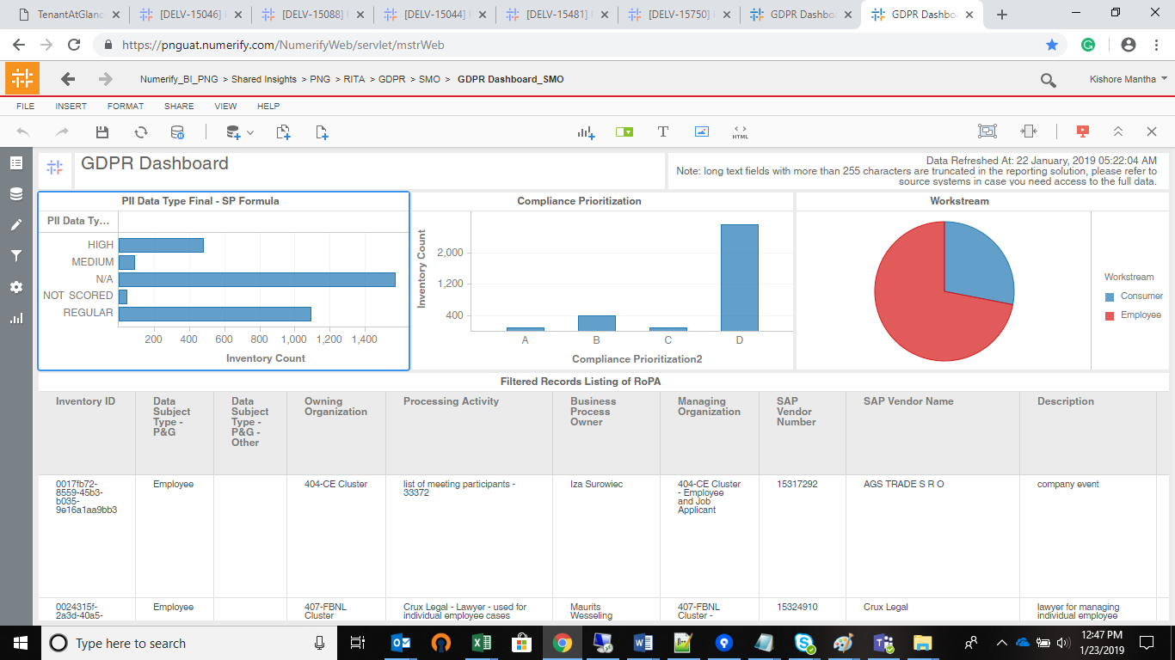
INDEX

TC_No | Test Case | Test Description | Expected Result | Actual Result | Result | Defect JIRA # | Comments
1 | DELV-15750 | Verify the 'Data Refreshed Date' and mentioned text in the GDPR VI's | Data Refreshed Date and the necessary text should be available in the below mentioned GDPR Vi's | Data Refreshed Date and the necessary text is available in the below mentioned GDPR Vi's | Pass

GDPR Dashboard_GBS ( Path : Shared Insights-> PNG->RITA-> GDPR->GBS-> GDPR Dashboard_GBS

 | PROD Dev |  |  | PROD UAT

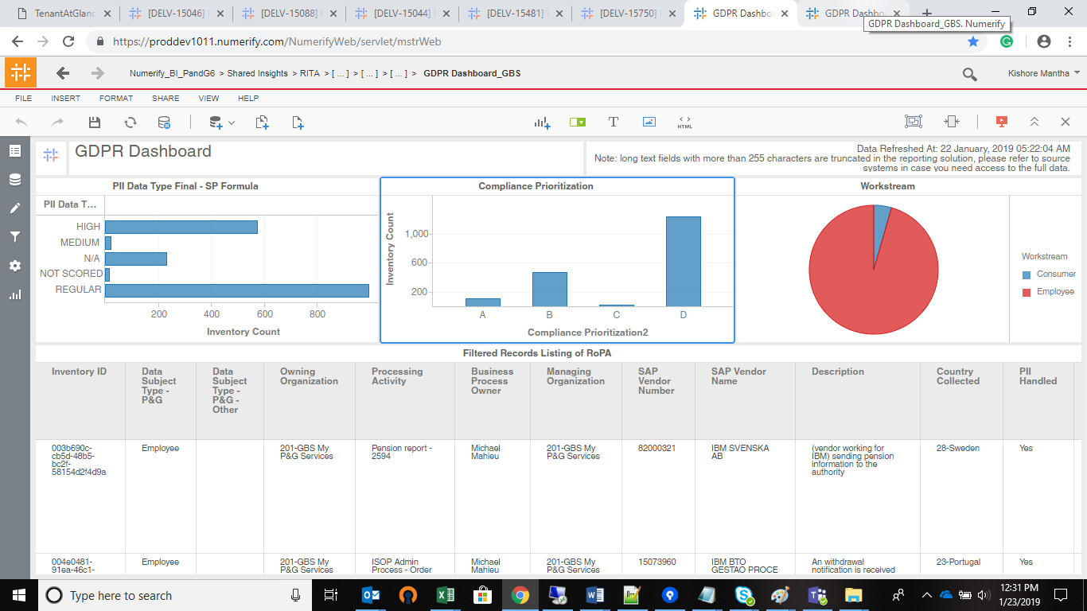
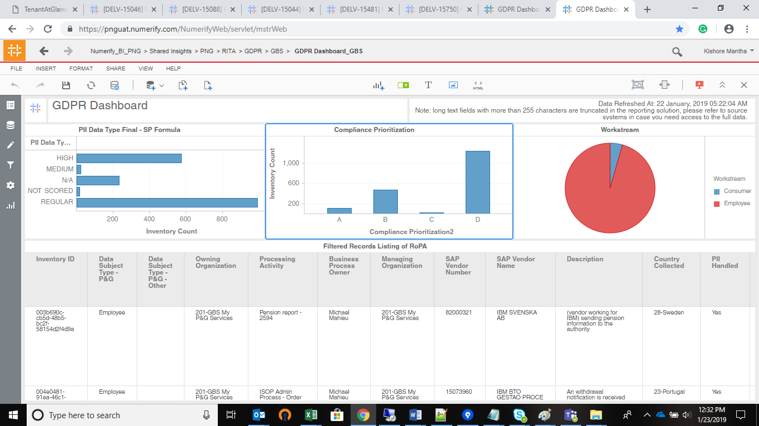

GDPR Dashboard_GBU ( Path : Shared Insights-> PNG->RITA-> GDPR->GBS-> GDPR Dashboard_GBU

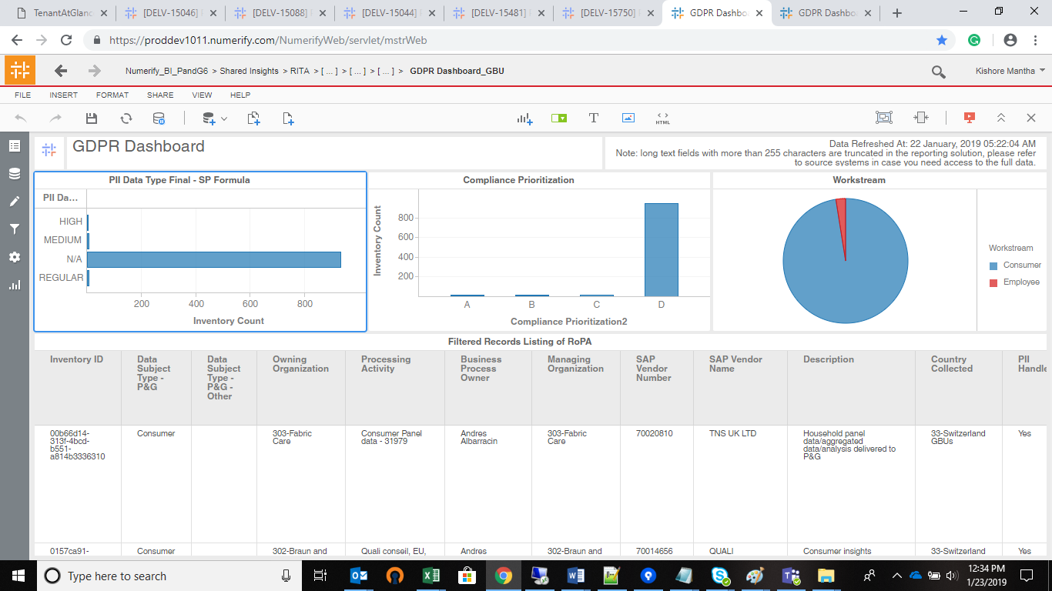


GDPR Dashboard_GDPR Dashboard_GDPRTTeam_Lawyers ( Path : Shared Insights-> PNG->RITA-> GDPR->GDPRT Team AND Lawyers-> GDPR Dashboard_GDPR Dashboard_GDPRTTeam_Lawyers

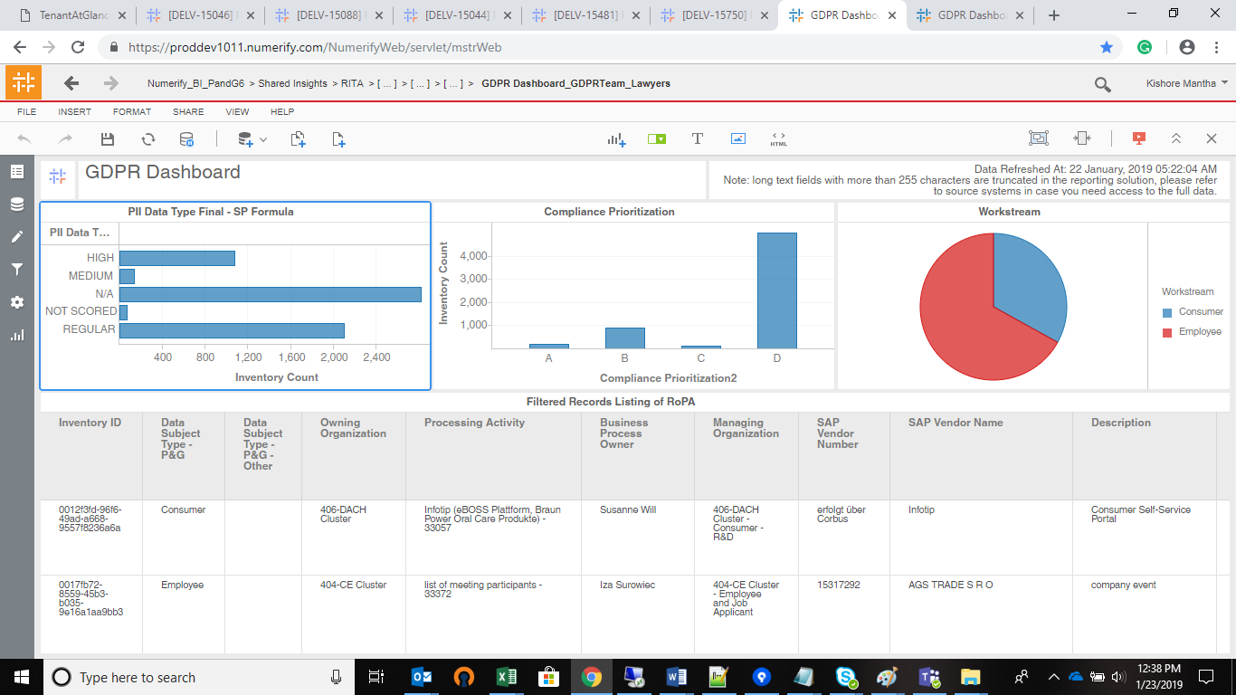
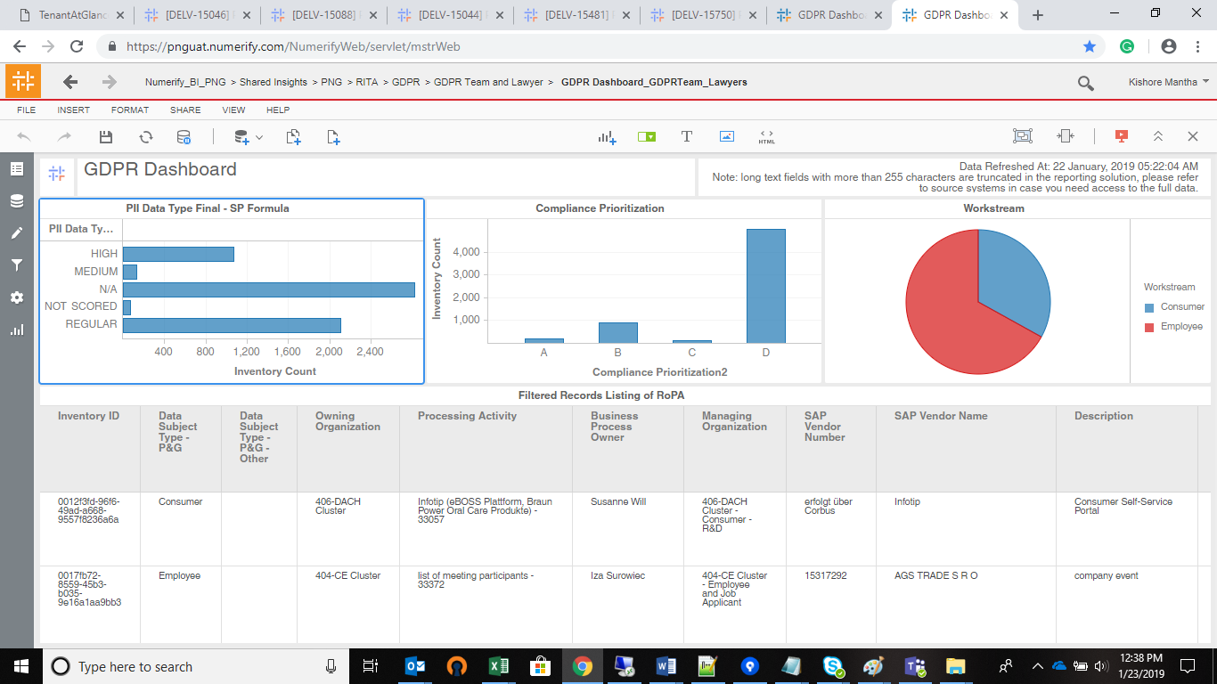

GDPR Dashboard_R&D ( Path : Shared Insights-> PNG->RITA-> GDPR->R&D-> GDPR Dashboard_R&D

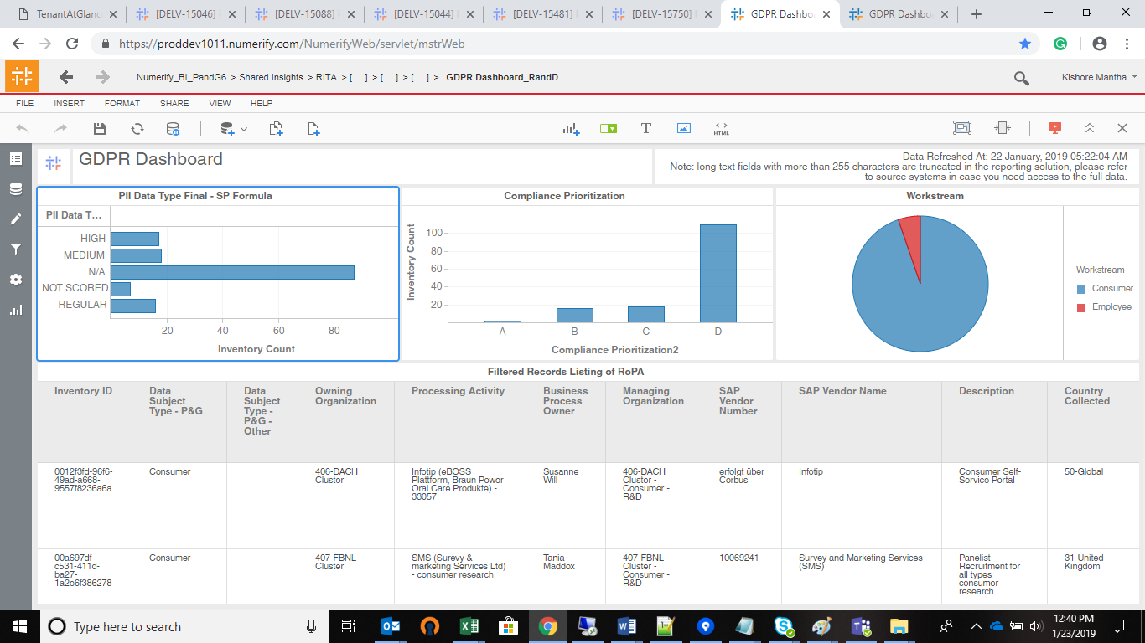
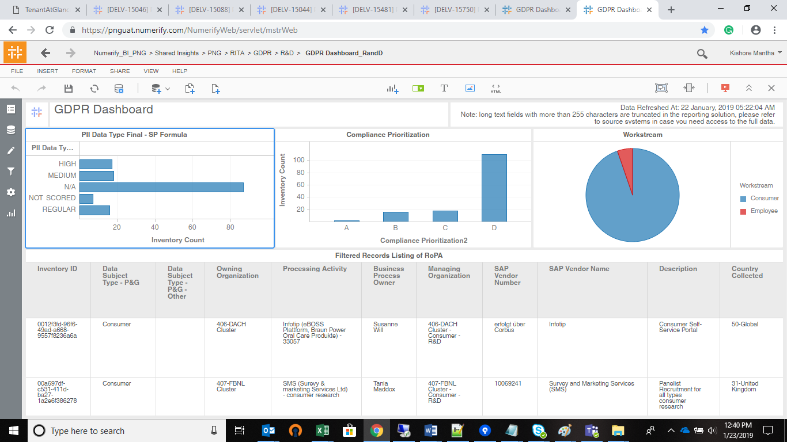

GDPR Dashboard_SMO ( Path : Shared Insights-> PNG->RITA-> GDPR->SMO-> GDPR Dashboard_SMO

